Sheet1
Base Weight |  |  |  | Weight of meat |  |  |  | Food Nutrient
 | Weight(kg) |  |  |  | Weight(kg) |  |  |  | Nutrient(kg) | Stomach(kg) | rate
Chicken | 10 |  |  | Chicken | 5 |  |  | Wheat | 0.57 | 0.95 | 0.6
Rabbit | 10 |  |  | Rabbit | 5 |  |  | Tall Grass | 0.28266666667 | 0.70666666667 | 0.4
Ocelot | 20 |  |  | Sheep | 5 |  |  | Seeds | 0.16 | 0.2 | 0.8
Wolf | 50 |  |  | Pig | 5 |  |  | Hay Bale | 5.13 | 8.55 | 0.6
Sheep | 100 |  |  | Cow | 5 |  |  | Mushroom | 0.18 | 0.3 | 0.6
Pig | 100 |  |  |  |  |  |  | Carrots | 0.36 | 0.6 | 0.6
Donkey | 200 |  |  |  |  |  |  | Yellow flower | 0.28266666667 | 0.70666666667 | 0.4
Llama | 200 |  |  |  |  |  |  | Pumpkin/melon seeds | 0.2 | 0.25 | 0.8
Cow | 500 |  |  |  |  |  |  | mixed feed | 0.8 | 1 | 0.8
Horse | 500 |  |  |  |  |  |  | straw | 0.25 | 0.55 | 0.45454545455
Mule | 350
 |  |  |  |  |  |  |  |  | Pregnant Delay | 2
Stomach Size |  |  | Digestion Speed | 2 |  | Child Weight |  |  | Weight (kg) | seconds | ticks | days
Weight (kg) | Stomach (kg) |  | Weight (kg) | Speed (kg/s) |  | Weight (kg) | kg |  | 10 | 2507.0687287 | 50141.374574 | 2.0892239406
10 | 1.5954887691 |  | 10 | 0.0013295739742 |  | 10 | 1 |  | 20 | 2981.42397 | 59628.4794 | 2.484519975
20 | 2.683281573 |  | 20 | 0.0022360679775 |  | 20 | 2 |  | 50 | 3748.9421679 | 74978.843359 | 3.1241184733
50 | 5.3348382301 |  | 50 | 0.0044456985251 |  | 50 | 5 |  | 100 | 4458.2686998 | 89165.373997 | 3.7152239165
100 | 8.9720926873 |  | 100 | 0.0074767439061 |  | 100 | 10 |  | 200 | 5301.8048584 | 106036.09717 | 4.4181707154
200 | 15.089201156 |  | 200 | 0.012574334297 |  | 200 | 20 |  | 350 | 6097.9414615 | 121958.82923 | 5.0816178846
350 | 22.958567393 |  | 350 | 0.019132139494 |  | 350 | 35 |  | 500 | 6666.6666667 | 133333.33333 | 5.5555555556
500 | 30 |  | 500 | 0.025 |  | 500 | 50
 |  |  |  |  |  |  |  |  | Growing Length | 2 | 1
 |  |  |  |  |  |  |  |  | Weight (kg) | seconds | ticks | days
 |  |  |  |  |  |  |  |  | 10 | 8461.3569594 | 169227.13919 | 7.0511307995
 |  |  |  |  |  |  |  |  | 20 | 10062.305899 | 201246.11797 | 8.3852549156
 |  |  |  |  |  |  |  |  | 50 | 12652.679817 | 253053.59634 | 10.543899847
Required grass per day |  |  |  |  |  |  |  |  | 100 | 15046.656862 | 300933.13724 | 12.538880718
weight (kg) | grass (kg / day) | rate | nutrient (kg / s) | days to death |  |  |  |  | 200 | 17893.591397 | 357871.82795 | 14.911326164
10 | 0.79774438454 | 0.079774438454 | 0.00026591479485 | 15.669179555 |  |  |  |  | 350 | 20580.552433 | 411611.04865 | 17.150460361
20 | 1.3416407865 | 0.067082039325 | 0.0004472135955 | 18.633899812 |  |  |  |  | 500 | 22500 | 450000 | 18.75
50 | 2.6674191151 | 0.053348382301 | 0.00088913970502 | 23.43088855
100 | 4.4860463437 | 0.044860463437 | 0.0014953487812 | 27.864179374
200 | 7.5446005781 | 0.03772300289 | 0.0025148668594 | 33.136280365
350 | 11.479283696 | 0.032797953418 | 0.0038264278988 | 38.112134135
500 | 15 | 0.03 | 0.005 | 41.666666667

1 Kg | = | 2600 Kcal
1 Nutrient | = | 1 Kg
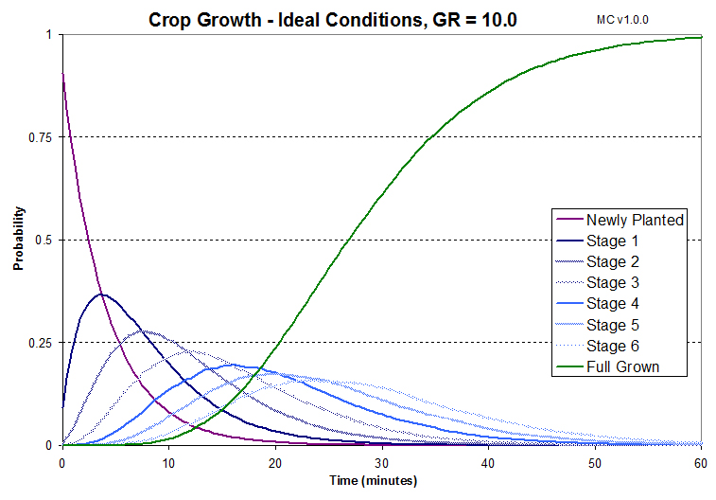
yr to Minecraft days
40

Gap Constant
0.05

Tall Grass Growth
grass / m^2 / yr | ticks | prob1 | prob2
30 | 200 | 0.1 | 0.0625

Pasture Required
pasture (m^2) | weight (kg) | constant | days | yield (kg / m^2 / yr)
6886.7924528 | 500 | 0.04 | 365 | 1.06
26.901533019

Wheat Production in Reality
 | kg / m^2 / yr
grain | 0.3
all | 1

Wheat Production in Minecraft
 | average items per harvest | days to grow | items / m^2 / Minecraft days | items / m^2 / yr
wheat | 1 | 2.5 | 0.4 | 16
seeds | 1.5 | 2.5 | 0.6 | 24

